1. Title Page
[Project Name]

Project Name: Instacart grocery basket analysis
Date: April 17th 2024
Analyst Name: Oksana Stepanova

Contents:
Population Flow
Consistency checks
Wrangling steps
Column derivations
Visualizations
Recommendations

2. Population Flow
Title page

Population flow

Exclusion flag
Condition: max_order < 5
Obervations to be removed: 1,440,045
Final total count of order_products_all: 32,399,732

Orders_products_combined
Orders_products_merged
Orders_products_all

Total: 32,399,732
Total: 32,399,732
Total: 32,399.732

1.) The grey boxes in the first row of the population flow represent the original data sets as they were when you downloaded them. In the Total fields you need to add the count of the rows when you imported the data set into Jupyter.
2.) The second row of boxes (coloured) represents the data sets after you manipulated them, e.g., removed missing values and duplicates. In the Total fields you need to add the count of the rows after conducting these operations. This offers a visual oveview of how the data flows throughout the data consistency checks.
3.) The third row, where also the arrows are coloured, represents the merges you performed between the datasets. In the Total fields you need to add the count of the rows in the merged datasets, so that you end up with the final dataset (in the red box). Keep in mind the final dataset should be without exclusions (based on the exclusion flag).

3. Consistency checks
 |  |  |  | Title page
Consistency checks

Dataset | Missing values | Missing values treatment | Duplicates
orders | 206,209 NaN values in days_since_prior_order column | missing values are related to the first order made by the user. A new column added ti indicated the first order. | No duplicated rows are found
products | 16 NaN values in product_name column | Removing missing values | 5 duplicated rows were removed
orders_products_prior | no missing values |  | No duplicates
customers | 11,259 missing values on the first_name column | Remove the column | No duplicates

4. Wrangling steps
 |  |  |  | Title page
Wrangling steps

orders.csv
Columns dropped | Columns renamed | Columns' type changed | Comment/Reason
eval_set |  |  | Not needed for analysis
 | order_dow=>orders_day_of_week |  | To clarify the name of the column
 |  | order_id as 'strings'
 |  | user_id as 'strings'
 | First Name' => 'first_name' |  | To harmonize the database
 | Surnam' => 'surname' |  | To harmonize the database
 | STATE' => 'state' |  | To harmonize the database
 | Gender' => 'gender' |  | To harmonize the database
 | Age' => 'age' |  | To harmonize the database

5. Column derivations
 |  |  |  | Title page

Column derivations and aggregations

In this tab you should add tables below that the frequences of flags/label variables that you produced after deriving them. NB: don't do this for continuous variables, only for flags.
Dataset | New column | Column/s it was derived from | Conditions
orders_products_new_vars | price_range_loc | prices | if 'prices' >15, then "High range product"
 |  |  | if 'prices' <=15 and >5, then "Mid range product"
 |  |  | if 'prices' <=5, then "Low range product"

orders_products_new_vars | busiest_day | orders_day_of_week | If 'orders_day_of_week'=0, then "Busiest day"
 |  |  | If 'orders_day_of_week'=4, then "Least busy"
 |  |  | If other values in 'orders_day_of_week', then "Regular busy"

orders_products_new_vars | busiest_slowest_days | orders_day_of_week | If 'orders_day_of_week'=0 or 1, then "Busiest days"
 |  |  | If 'orders_day_of_week'=3 or 4, then "Slowest days"
 |  |  | If other values in 'orders_day_of_week', then "Regular busy"

orders_products_new_vars | busiest_period_of_day | order_hour_of_day | If 'order_hour_of_day'=[9, 10, 11, 12, 13, 14, 15, 16], then "Most orders"
 |  |  | If 'order_hour_of_day'=[0, 1, 2, 3, 4, 5, 6, 23], then "Fewest orders"
 |  |  | If other values in 'order_hour_of_day', then "Average orders"

6. Visualizations
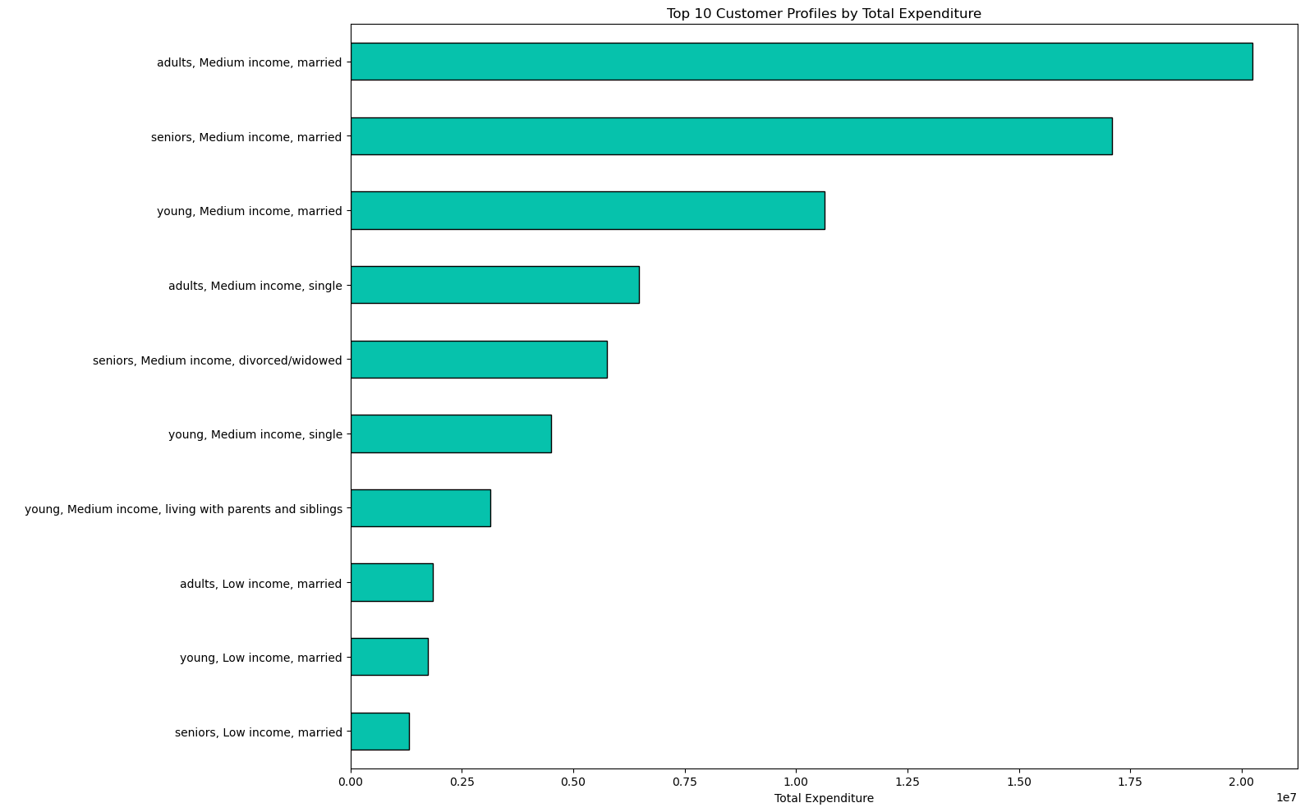
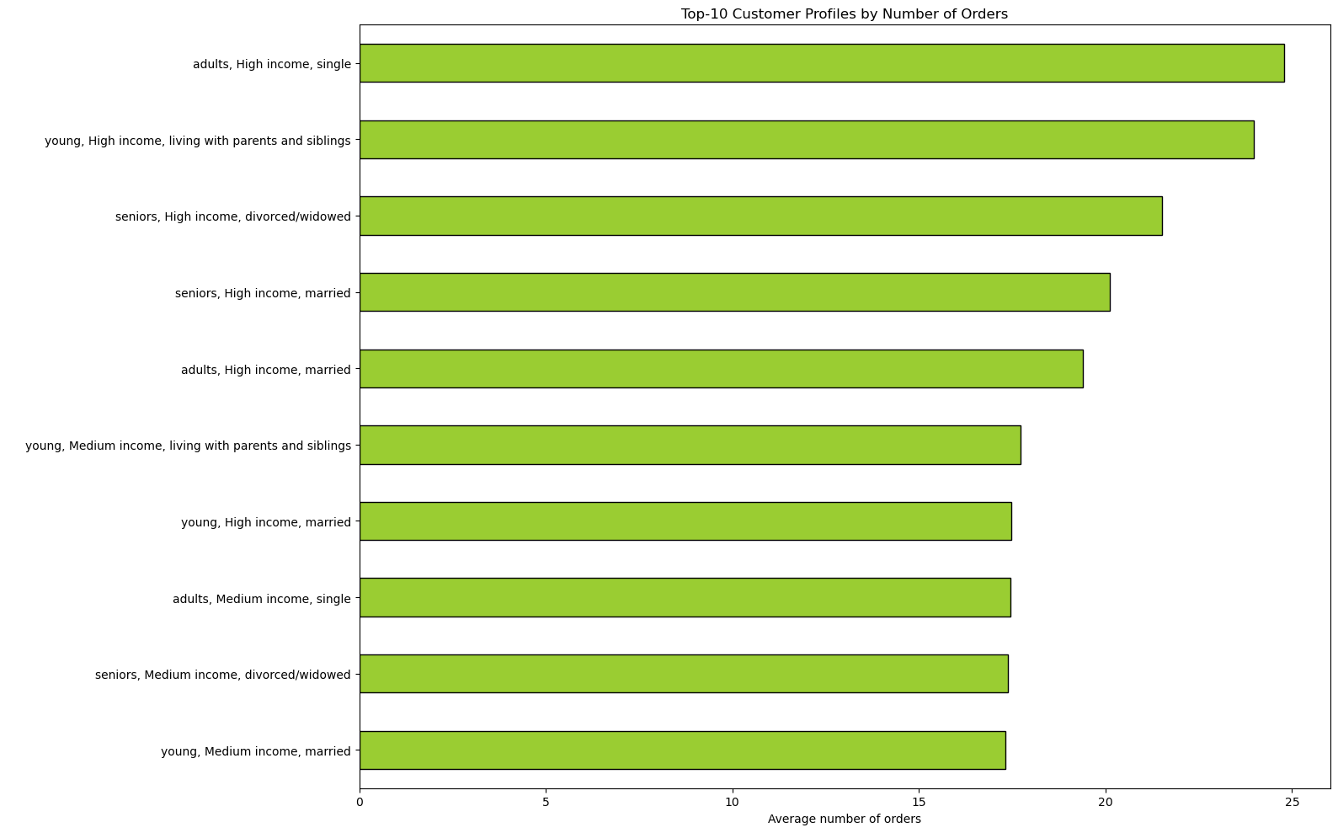
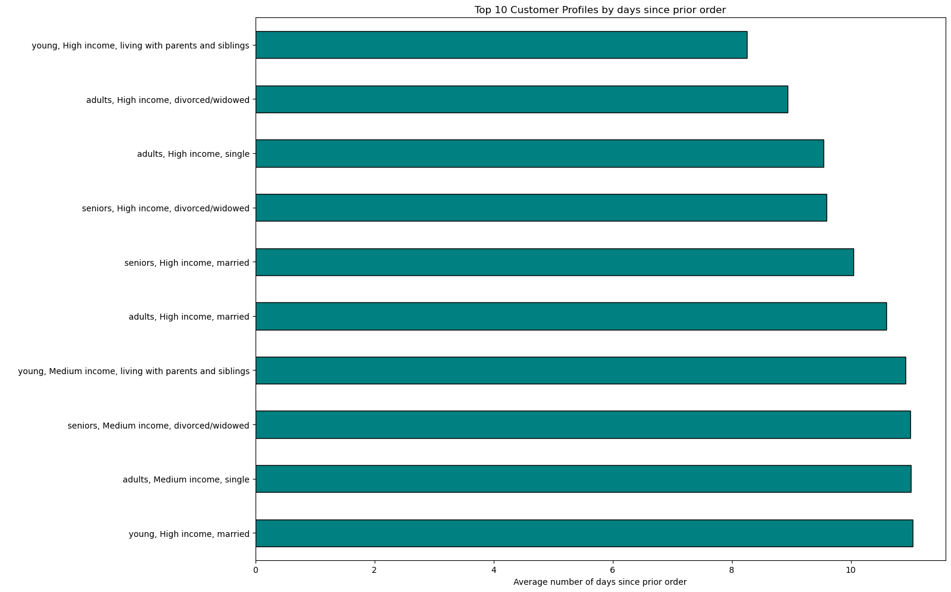
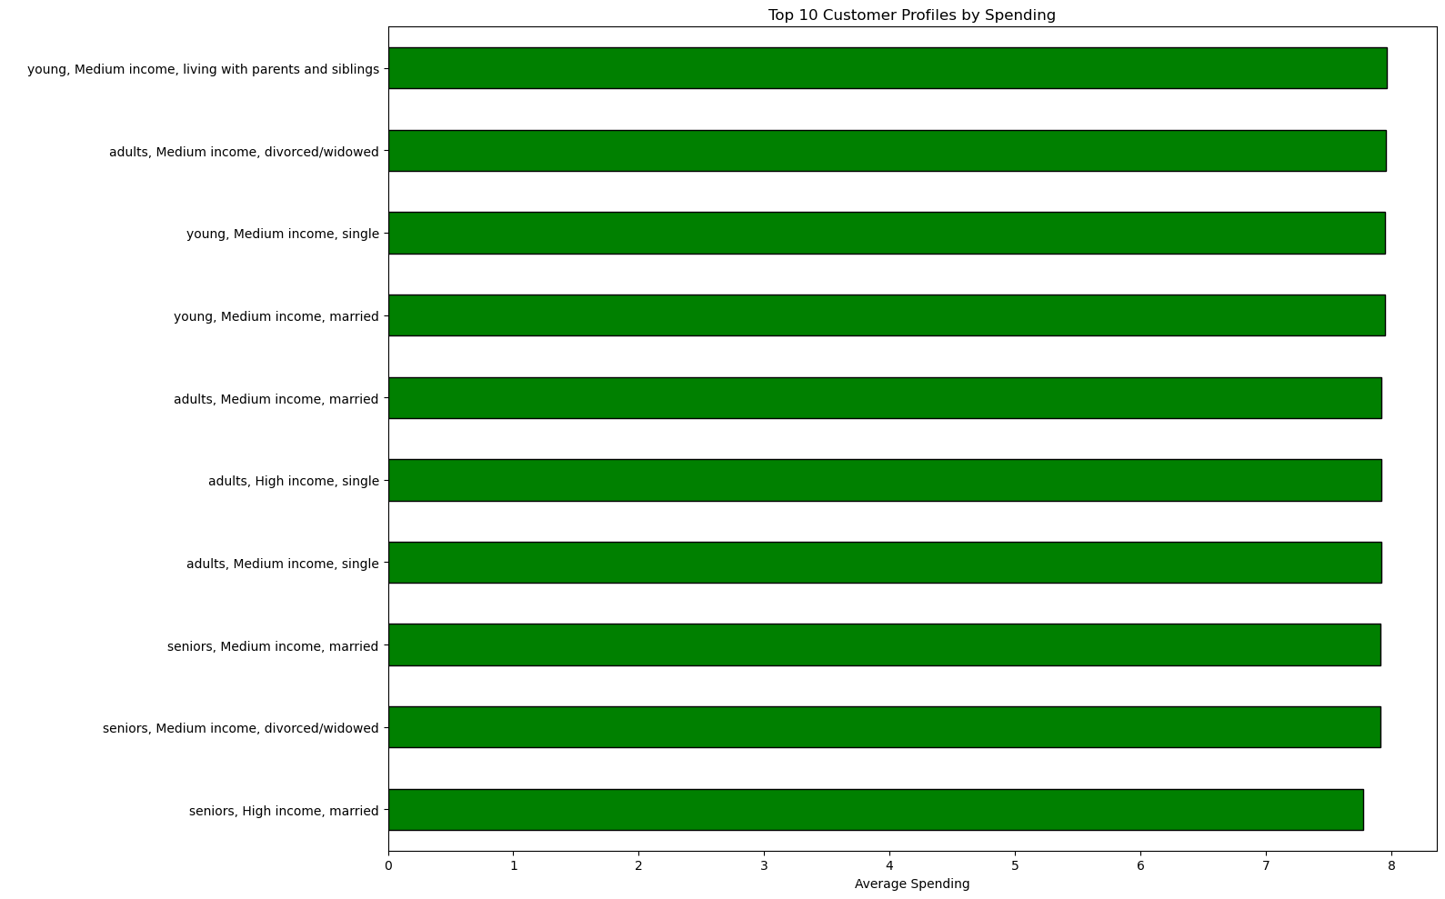
 | Title page

Visualisations

In this tab you should include all the visualtions from Exercises 4.9 and 4.10, alongside the questions from the project brief that they answer. Include any commentary on the relationship between different variables.

Key Question 1
What are the busiest days of the week and hours of the day?


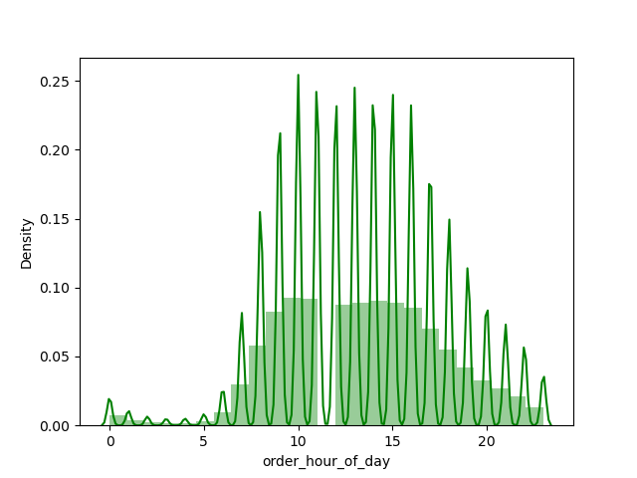

Key Question 2
What are particular times of the day when people spend the most money?

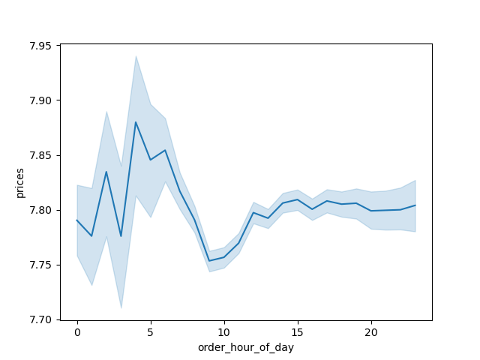
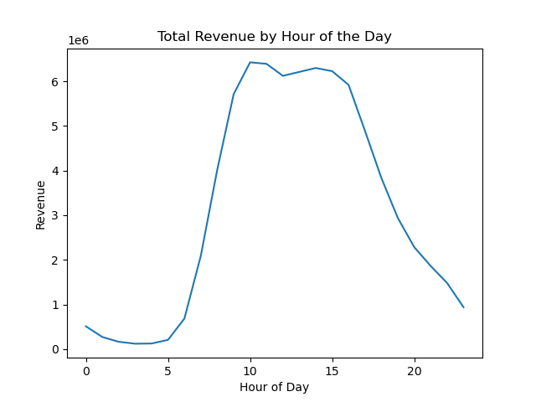

Key Question 3
How can we use simpler price range groupings?

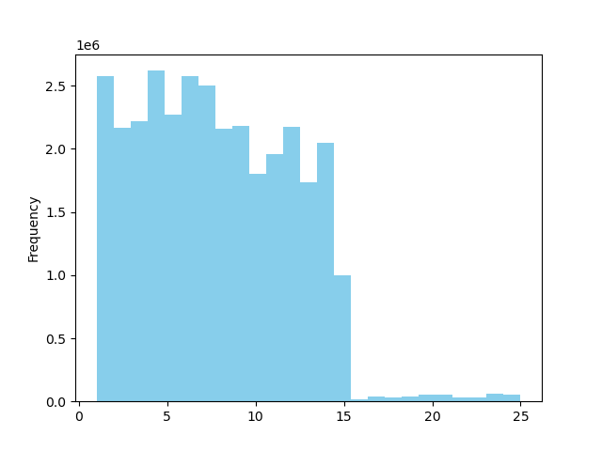
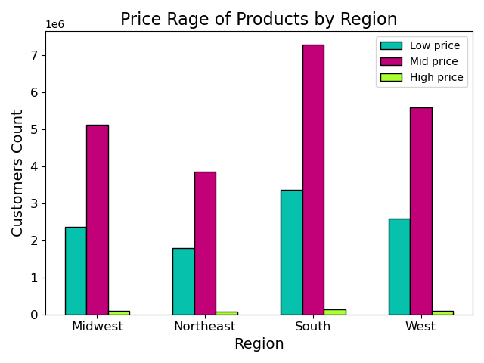

Key Question 4
Are there certain types of products that are more popular than others? Which departments have the highest frequency of product orders?
 |  | Top-10 departments by Orders | Top-10 departments by Revenu
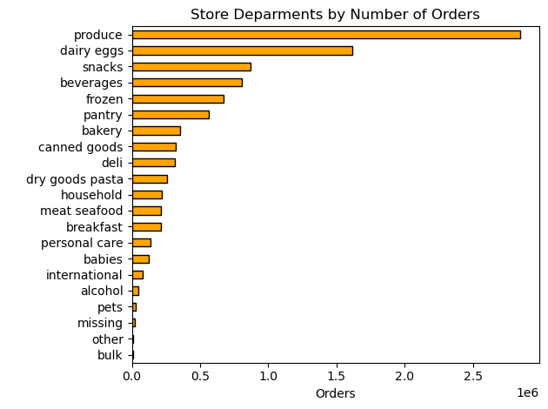
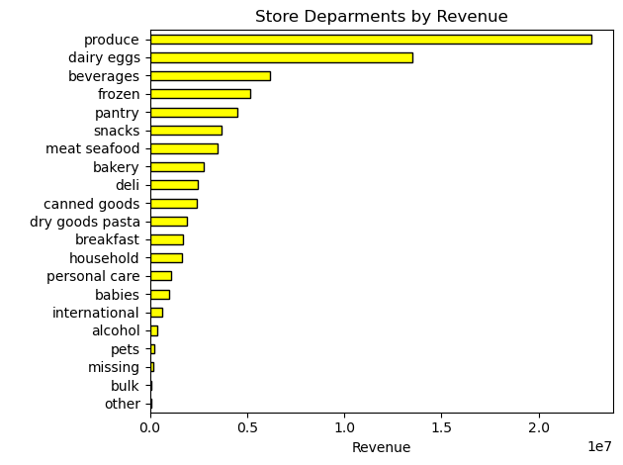
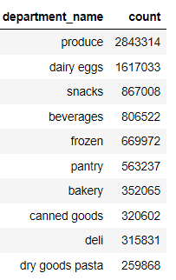
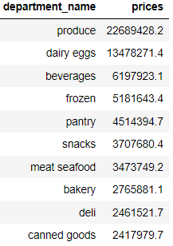

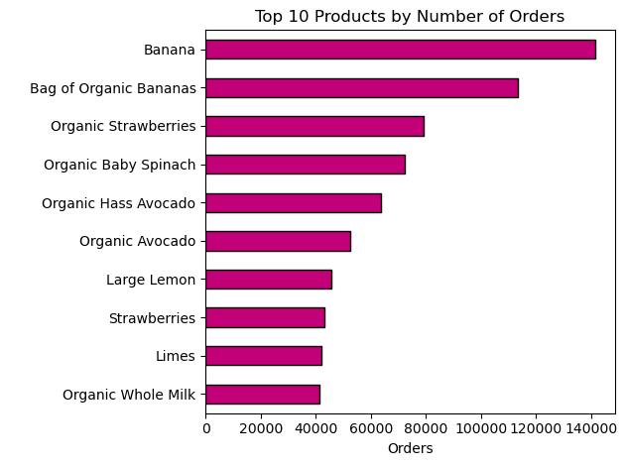
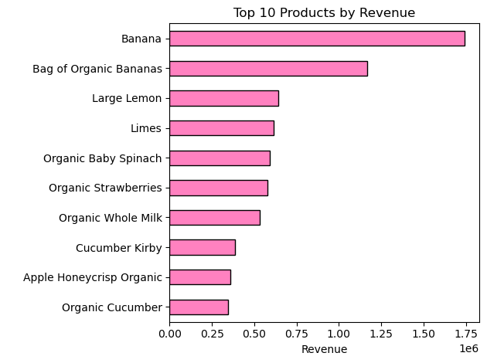

Key Question 5
What is the distribution among users in regards to their brand loyalty ? How often do they return to Instacart?

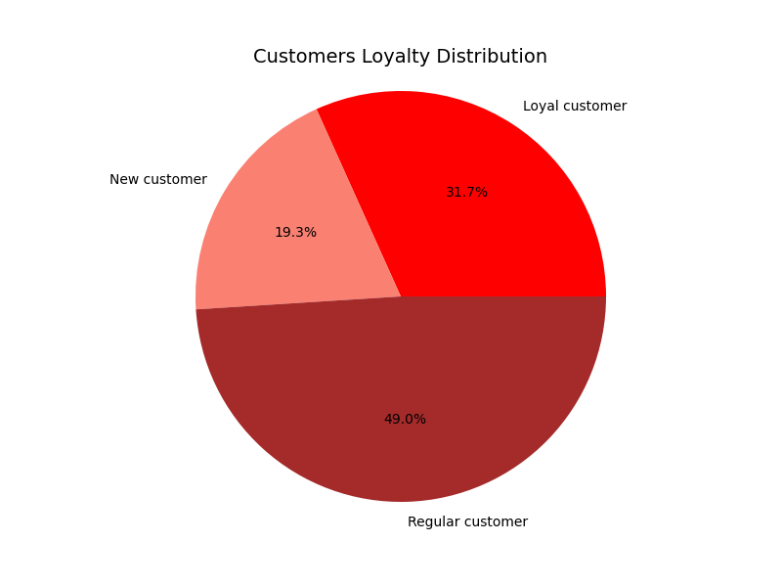
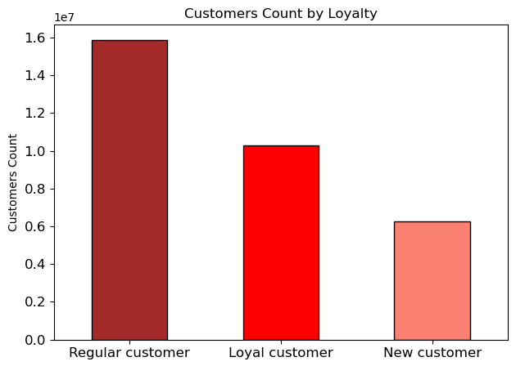
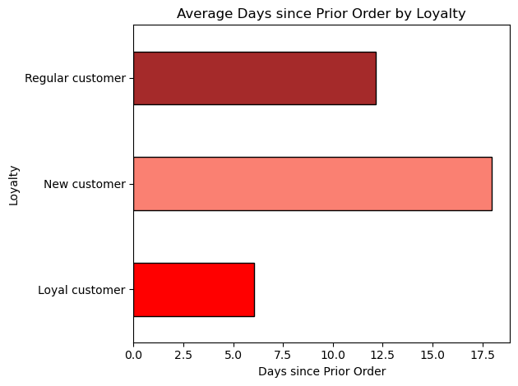

Key Question 6
Are there differences in ordering habits based on a customer’s loyalty status?

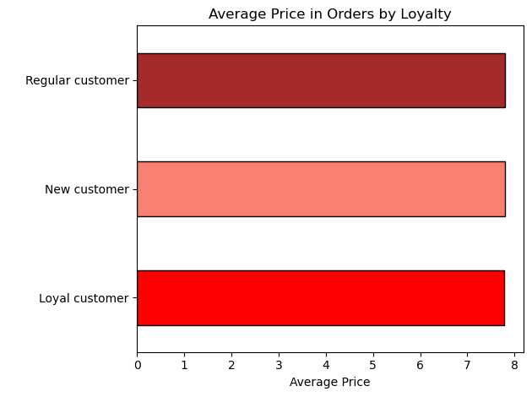
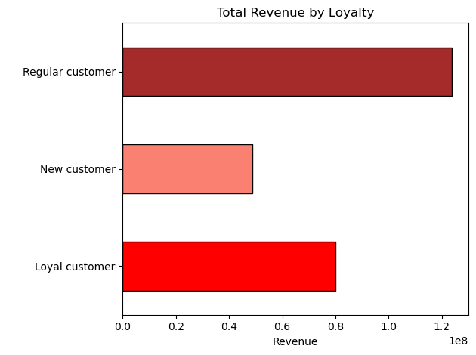

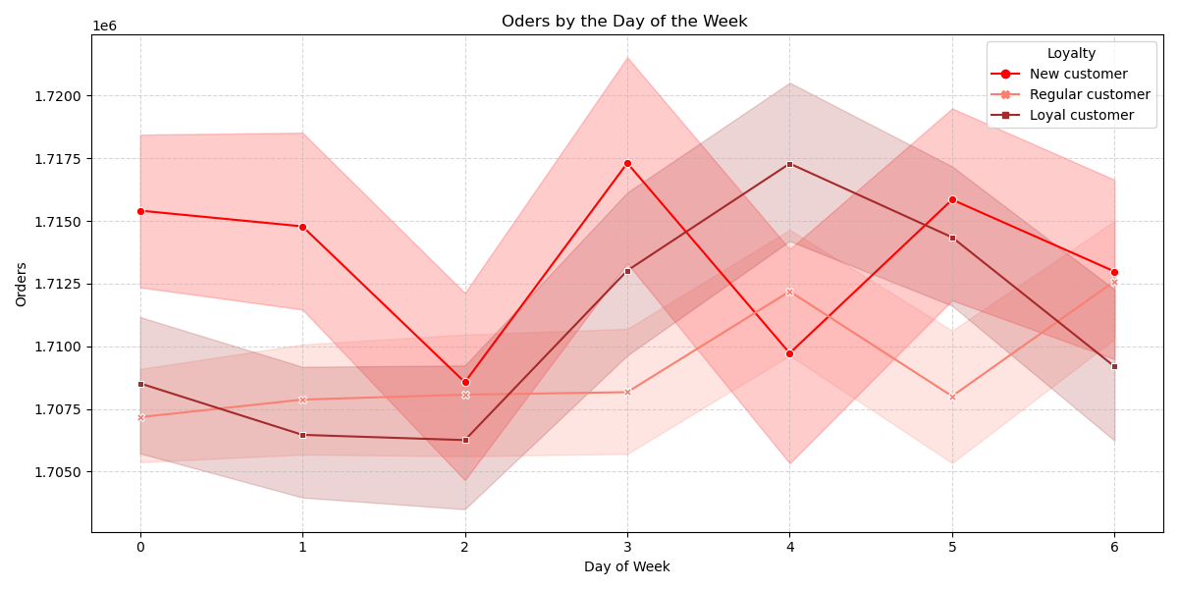
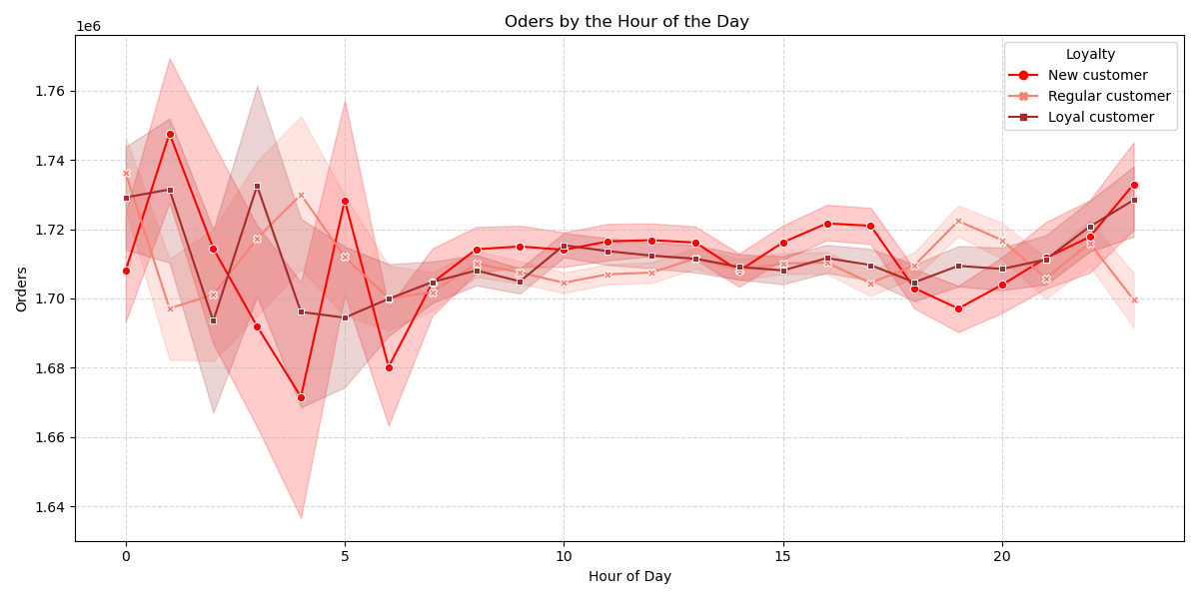

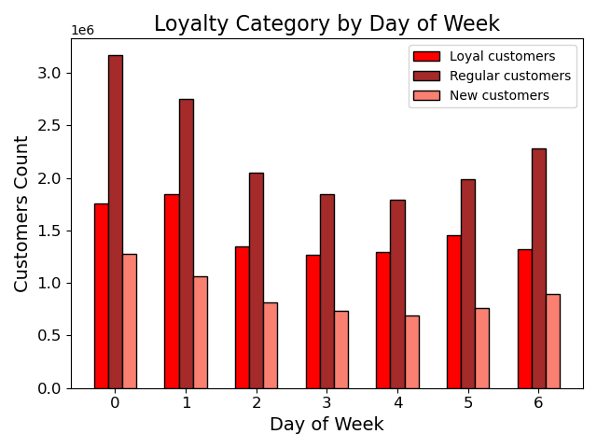
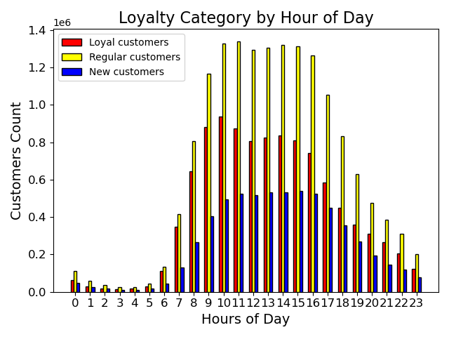

Key Question 7
Are there differences in ordering habits based on a customer’s region?

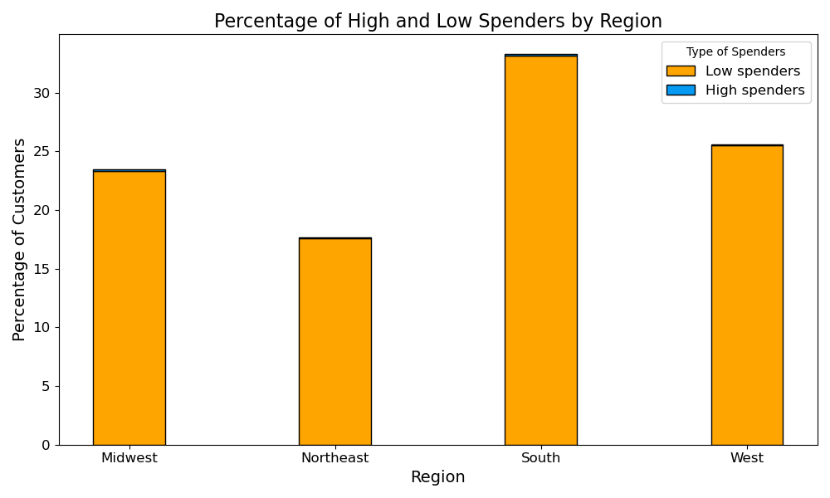
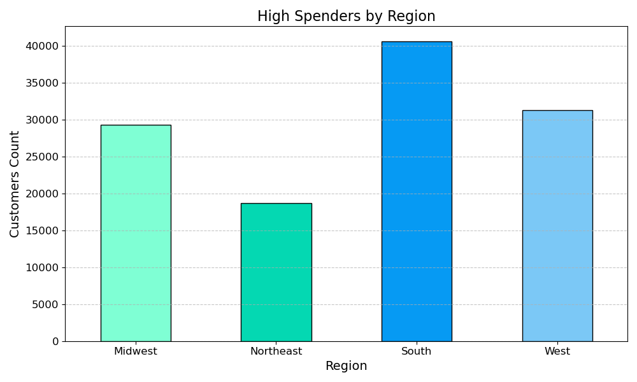
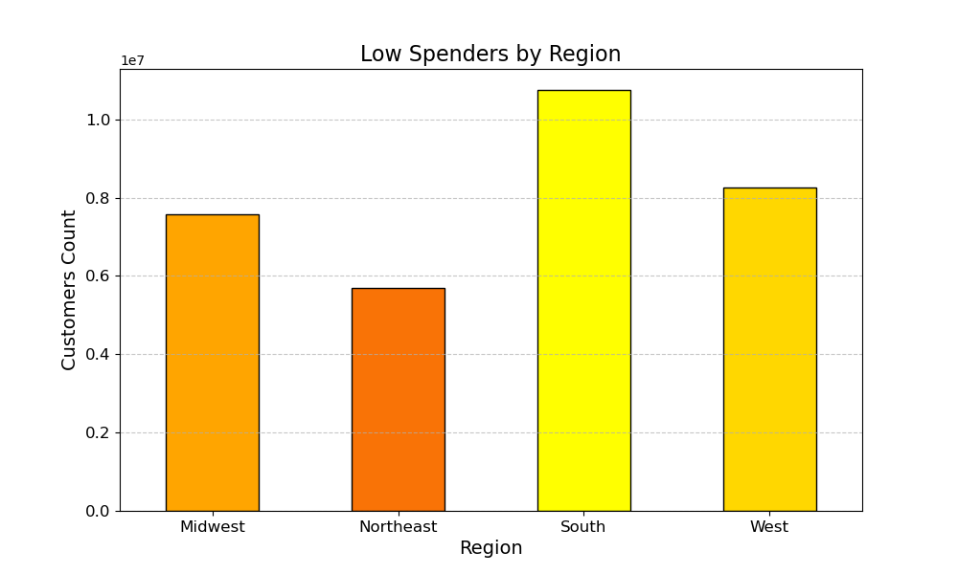

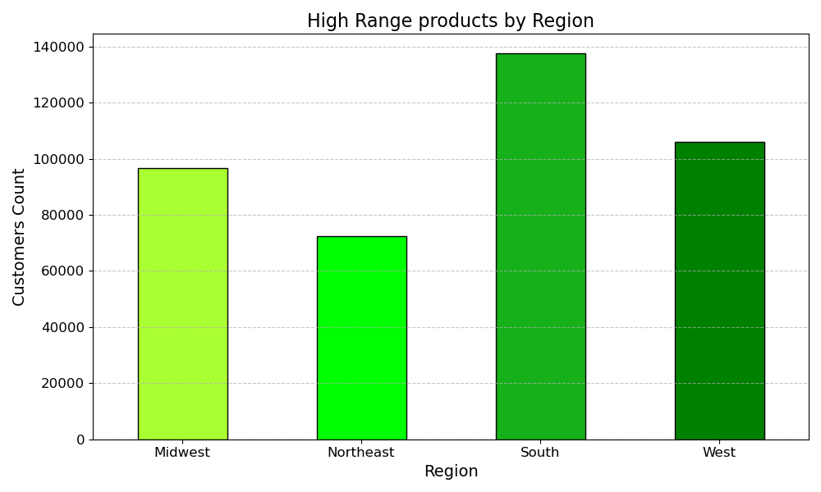
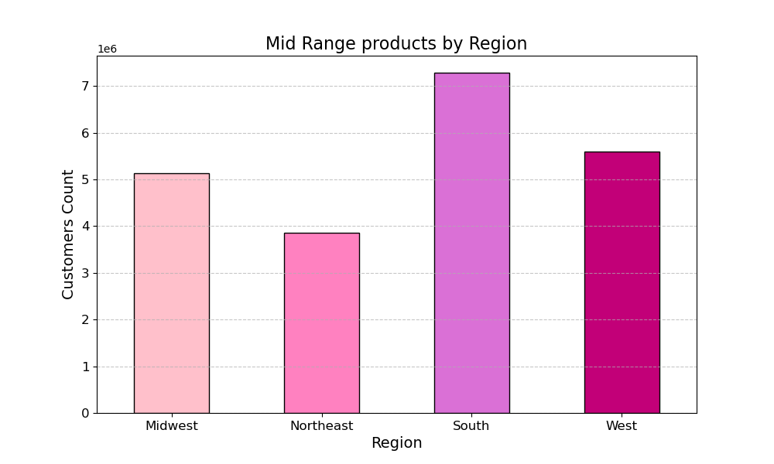
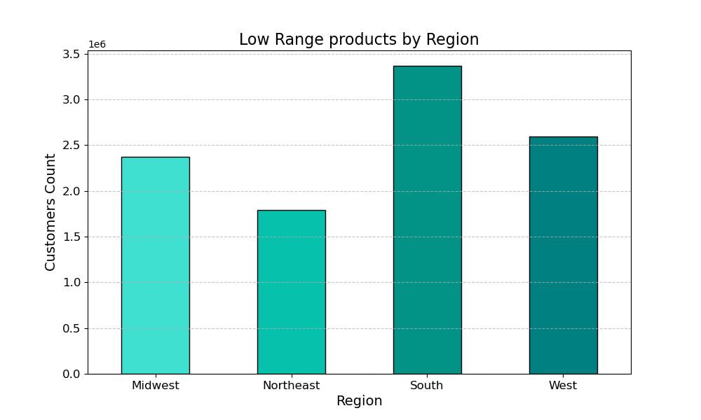

Key Question 8
Is there a connection between age and family status in terms of ordering habits?
Key Question 9
Are there differences in ordering habits of different customer profiles? The price of orders? Tthe frequency of orders? Tthe products customers are ordering? Etc.

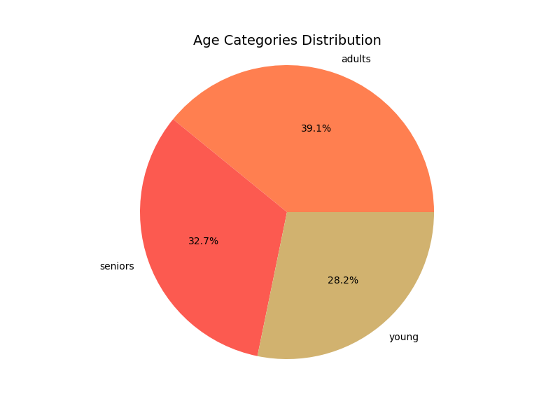
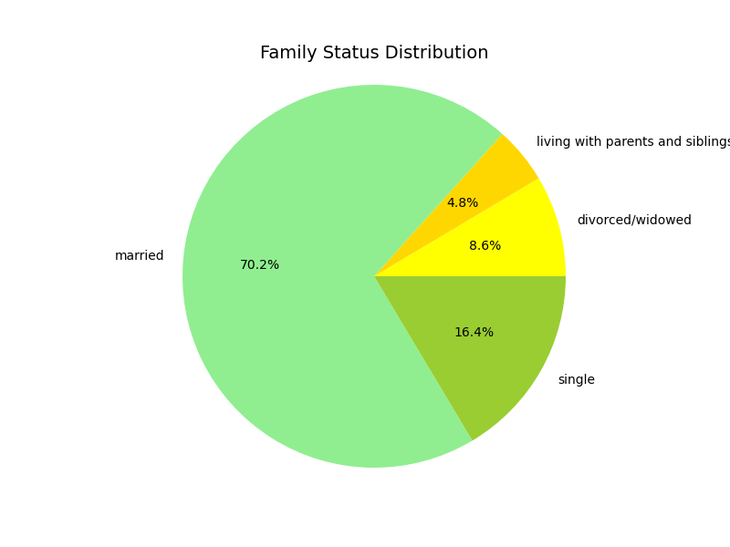
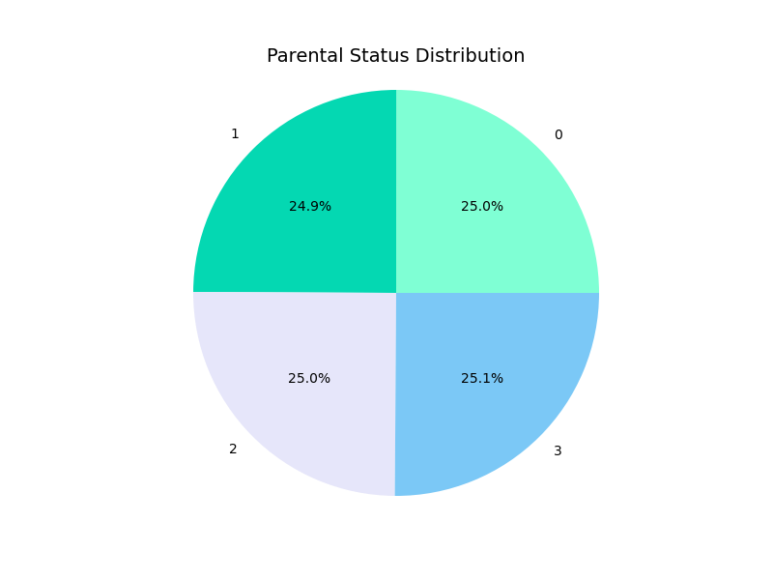
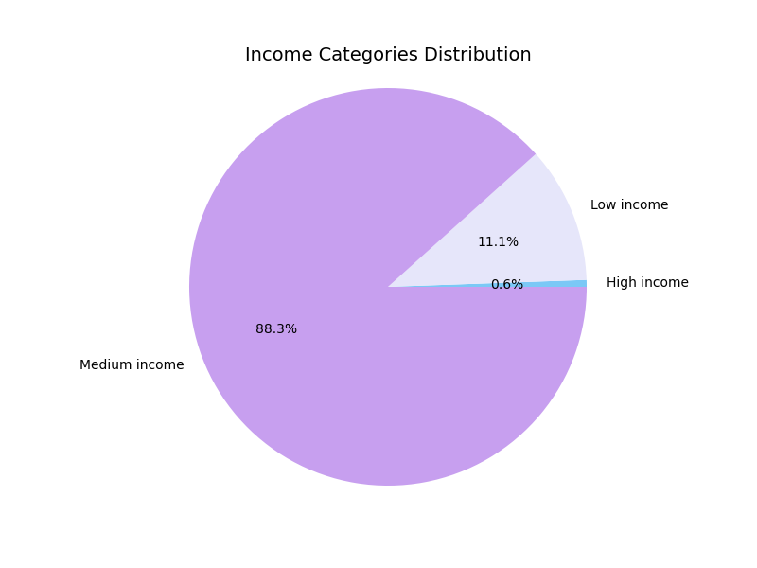

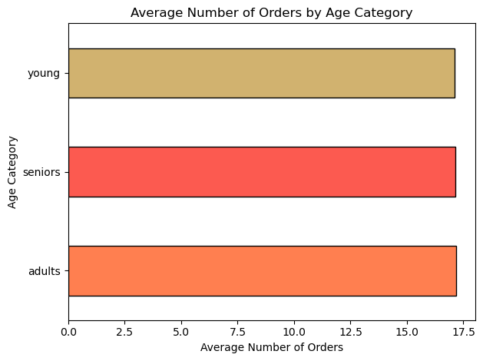
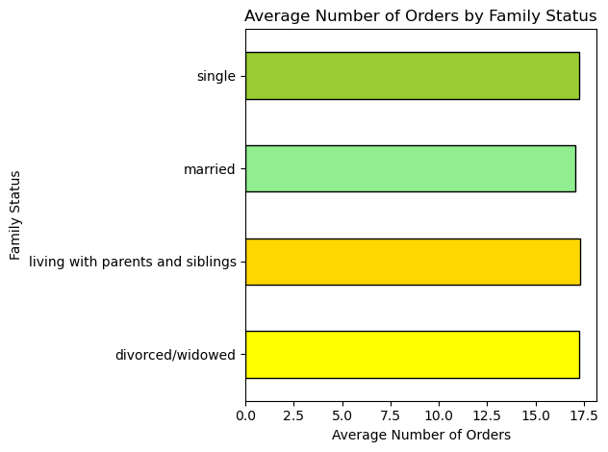
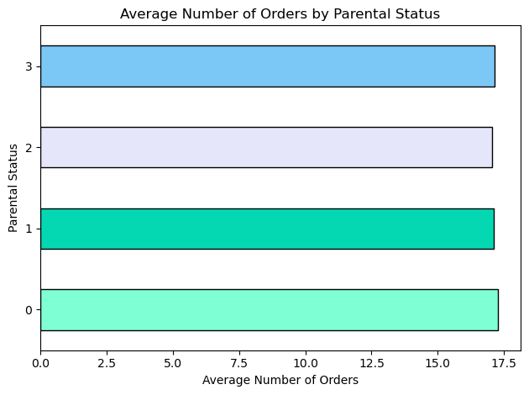
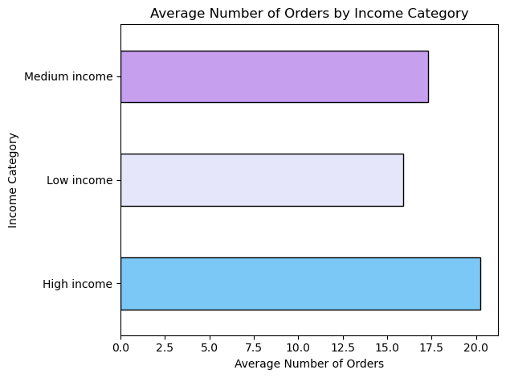

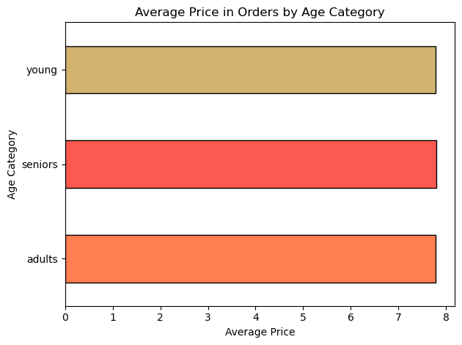
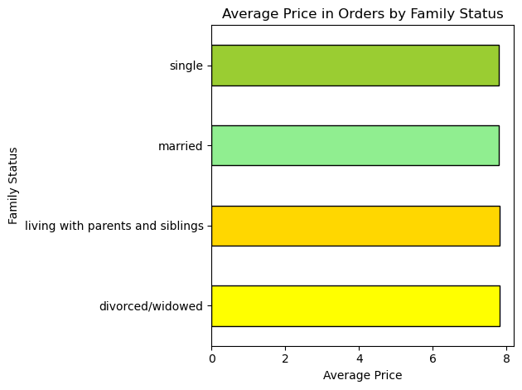
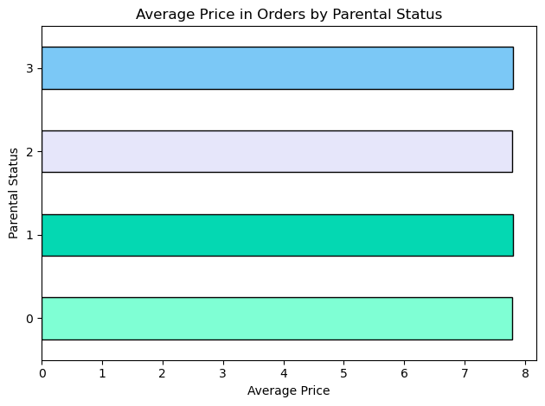
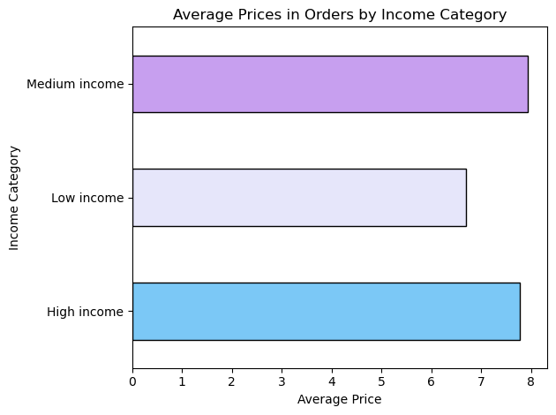

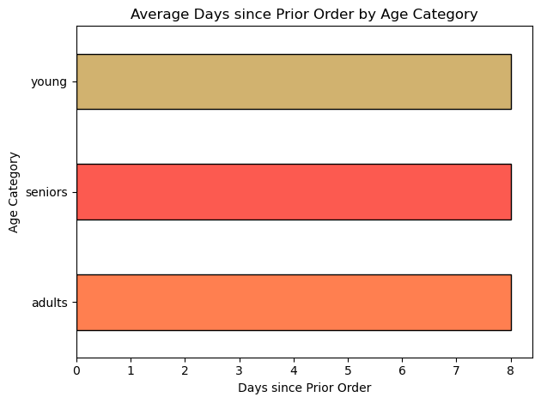
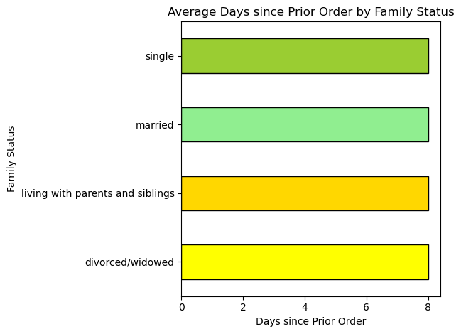

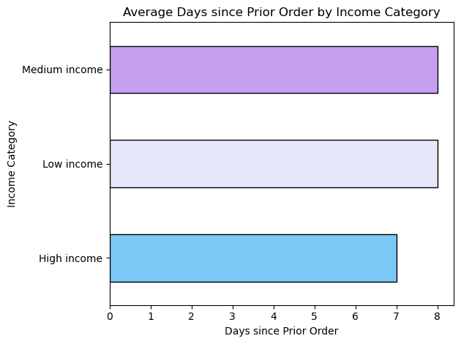

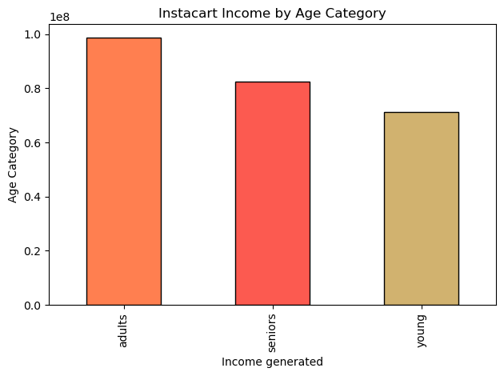
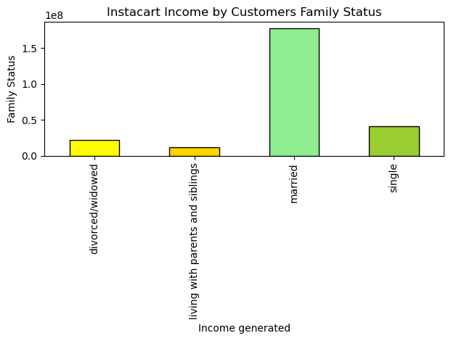
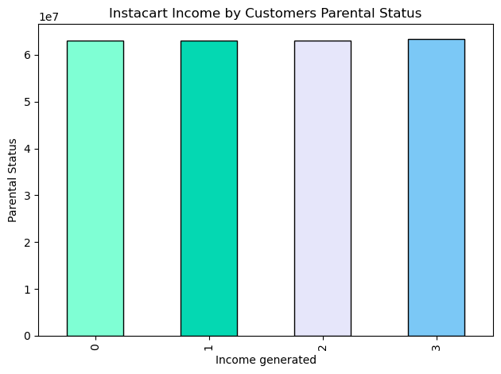
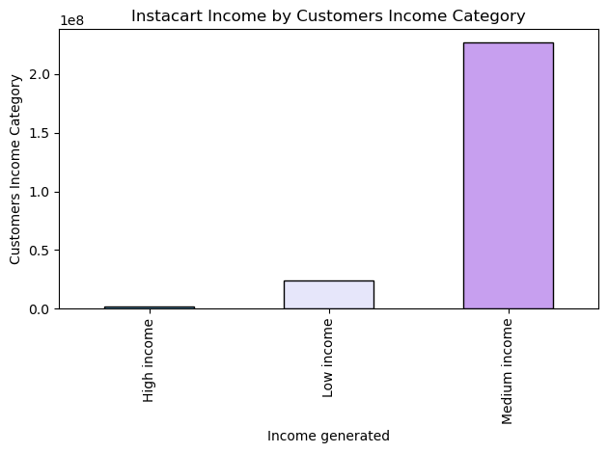

Key Question 10
What different classifications does the demographic information suggest? Age? Income? Certain types of goods? Family status?

7. Recommendations
 | Title page

Recommendations

In this tab you should include any recommendations you would made to Instcart in terms of their marketing strategy based on the questions posed in the brief. Every key question has been covered in the Tasks of the Exercises - here you need to add an item - a visualisation or table/crosstable that is showing the answer in the data, acompanied by a comment from you. Please, list the questions below and add the answer underneath.

Key Question 1
What are the busiest days of the week and hours of the day?

Insights & Recommendations
The number of orders placed starts increasing on Thursday and the busiest days are Saturday and Sunday. The least busy days are Tuesday and Wednesday. It is evident that a lot of customers placed orders on the weekend. The busiest hours of the day when the customers place the most orders are from 10 am to 3 pm. After 3 pm the number of orders starts gradually decreasing. Between midnight and 5 am, the number of orders is closing to zero.
We recommend scheduling ads from 7 to 9 am when there are fewer orders and from 6 to 8 pm on Thursday when we assume the customers making their plans for the weekend.

Key Question 2
What are particular times of the day when people spend the most money?

Insights & Recommendations
The distribution of revenue received from clients’ purchases over the day coincides with the trend for the number or orders placed, namely the revenue level picks from 10 am to 3 pm. Although customers place fewer orders in the early hours, they tend to buy more expensive items between midnight and 5 am. During the hours when customers place the most orders between 10 am and 3 pm, they tend to buy goods at moderate prices.
If the marketing department wants to target the clients who purchase high range products whose price is higher $15 per item, we recommend publishing ads in the early hours from midnight to 5 am. Further analysis may be made to identify the products that customers order overnight. During other time, it is advisable to advertise the mid- and low range products of value of from $5 to $15 and less than $5 accordingly.

Key Question 3
How can we use simpler price range groupings?

Insights & Recommendations
The price frequency distribution in the customers’ orders shows that the clients purchase the most often the products valued from $1 to $15. The appearance of more expensive products (more than $15) in the orders is significantly rare. The results of analysis have revealed that the most customers order mid- and low range products. This trend is present for all four regions.
We recommend applying the following range of products: High range products: > $15 per item Mid-range products: from $5 to $15 per item Low range products: $5 or less.

Key Question 4
Are there certain types of products that are more popular than others? Which departments have the highest frequency of product orders?

Insights & Recommendations
The comparison of departments by the number of orders and revenue generated in the top-10 list matches except one department. The Meat and seafood department is on the top list by the revenue, however by orders places it is outside of this list. The reason may be because the meat and seafood products are ranked as High range products given the price for most products in this department. And as we have discovered, the customers tend to buy low- and mid- price products.
We suggest packaging high range products in smaller packs when it is possible to reduce the price per item in the customer’s order. When offering products in bigger packaging, we advise advertising how much the clients are saving by buying value or family size packs.
In list of ten the most popular products, there are 9 items from Produce department, either selecting by the number of orders or by the revenue. Another evident trend is that the half products in the top-10 list are organic products. It is evident that the organic food is of high demand with the customers.
We recommend labeling clearly all the organic products and creating an Organic products category on the menu.

Key Question 5
What is the distribution among users in regards to their brand loyalty ? How often do they return to Instacart?

Insights & Recommendations
The customers are ranked by their loyalty given the number of orders placed: Loyal customers are those who have made more than 40 orders and they represent 31.7% of the total count of clients. Regular customers those who have placed from 10 to 40 orders as total and they count the represent the largest group of 49%. New customers have made less than 10 purchases, but they belong to the substantial group of 19.3%. The estimation of average number of days since prior order shows the following tendency: Loyal customers make purchases every 6 days on average. The regular customers come back to us once per 12 days. New customers return to make the next order in a more than 2 weeks (17 days)
For the loyal clients who place orders quite often, it may be valuable to save time when they are selecting products. We suggest creating a menu on the app allowing them to save a list of their regular items that they will be able to use every time they return to the app. For regular customers, we suggest posting personalized ads advertising low prices or sales for the products the client buys regularly. For the new customers, we suggest looking into offering to this category of clients one time discount on the first purchase and discounts for the next orders if they are placed within certain period, e.g. within 7 days and 14 days.

Key Question 6
Are there differences in ordering habits based on a customer’s loyalty status?

Insights & Recommendations
The trends that have been revealed for the entire customers data are the same for the three loyalty categories: The average price in the order is equal for all loyalty categories. The greatest revenue is generated by the regular customers and the least by new customers. This is in line with the proportion of customers distribution of regular, loyal and new customers 49% - 31.7% - 19.3%. The preferences when to make the orders in regard of the hour of the day and the day of the week are the same for all categories with a slight shift from Saturday to Sunday as the day when the loyal customers place the greatest number of orders. Although this is the same trend of making purchases on the weekend.

Key Question 7
Are there differences in ordering habits based on a customer’s region?

Insights & Recommendations
Most of the clients are classified as low spenders, those whose average price of the products in orders is less than $10. The number of high spenders is insignificant. This is true for all four geographical regions. Most customers order Mid-range products (from $ 5 to $15). The share of high range products of price of greater than $15 in the customers’ order is insignificant. This trend is present for four geographical regions.

Key Question 8
Is there a connection between age and family status in terms of ordering habits?
Key Question 9
Are there differences in ordering habits of different customer profiles? The price of orders? Tthe frequency of orders? Tthe products customers are ordering? Etc.

Insights & Recommendations
Categories by age: young (<= 35 yo), adults (35-60 yo), seniors (> 60 yo) Categories by family status: married, single, divorced, living with parents or siblings. Categories by parental status: parents (the number of dependants from 1 to 3) and without dependents. Categories by income: customers with low income (< 50k), middle-income (50 – 250 k), high income (>250 k) If we investigate the average number of orders, the customers with high income have placed more orders than clients with lower income. Analyzing the average price in the customers’ order, we have noticed that the price in the orders of middle-income client is higher than in the orders of high- and low-income customers. High income customers order products more often than other categories of clients classified by their income level. By the revenue generated, on the top there are adults, married couples, parents with dependents, and middle-income customers. It should be mentioned that these customers have a dominant share in their category respectively: age, family status, parental status, income level.

Key Question 10
What different classifications does the demographic information suggest? Age? Income? Certain types of goods? Family status?

Insights & Recommendations
We have analyzed customers’ profile by their age, income, and marital status. On the top-10 customers profile by total expenditure, there are mostly customers who have middle- and low-income categories in their profile. We could assume that the high-income customers spend more than other categories because their spending power is higher, however, high-income clients’ share in customer distribution is insignificant at 0.6% and they are not our revenue generated category. On the top-10 profile by the average number of orders, there are customers of all age categories and suggested classification by family situation, at the same time these customers have high- or middle income. On the top-10 profiles by the days since prior order are high-income not married clients (including single, divorced or living with parents) O the top-10 profiles by the average spending, there are mostly young people and adults with middle-income profile. Their family situation does not make a significant difference in how much they spend on average.
For further analysis, we suggest focusing on the customers with middle-income as they spend more and come back for purchases more often than other categories of clients.

